Your data
 | Experimental Condition 1: Control | Experimental Condition 1: Treatment
Condition (keep your experimental condition in each cell, delete the other) | (WITHOUT glucose or ROOM temp) | (WITH glucose or COLD temp)
Crayfish volume (in mLs) (V)
Start time
End time
Duration of experiment (in hours) (T)
Baseline amount of titrant used (mLs) without crayfish, same for both conditions, (Nb)
Amount of titrant used (mLs) with crayfish, different between conditions (Ne)
Micromoles (umol) of carbonic acid (H2CO3) produced (equation below) | #DIV/0! | #DIV/0!
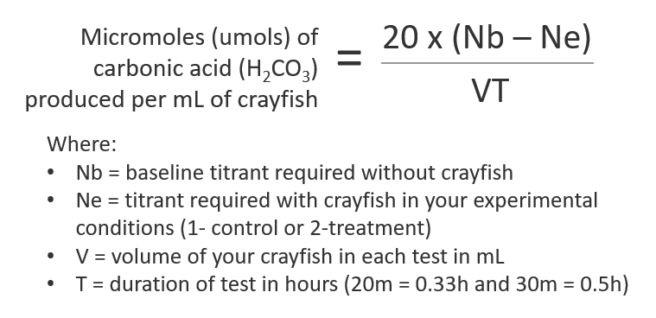 Notes: Yellow cells will self-calculate. Be sure to double-check the math with your calculator.

